Applied Filter
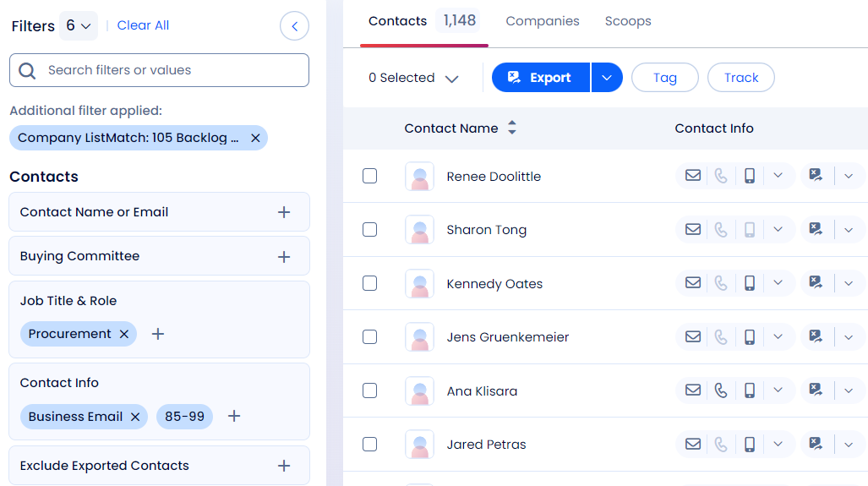
Applied Filter (Location + Title + Business Email) | Preview Count
 | Job Title | No of Preview | Total Preview
Initial Search Count (No of Companies) | CFO | 301 | 14,753
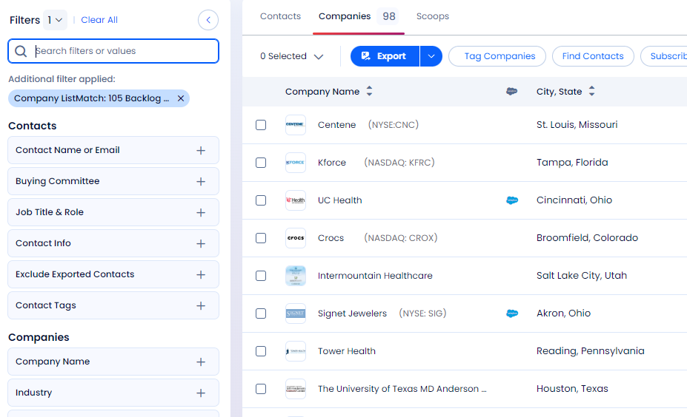
 | CPO | 9
 | COO | 271
 | CAO | 30
 | CEO | 664
 | Finance | 9910
 | Treasurer | 722
 | Controller | 435
 | Sourcing | 1263
 | Procurement | 1148

CFO
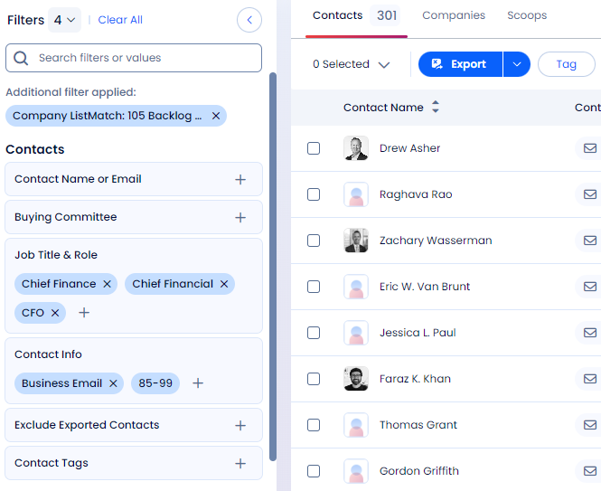

CPO
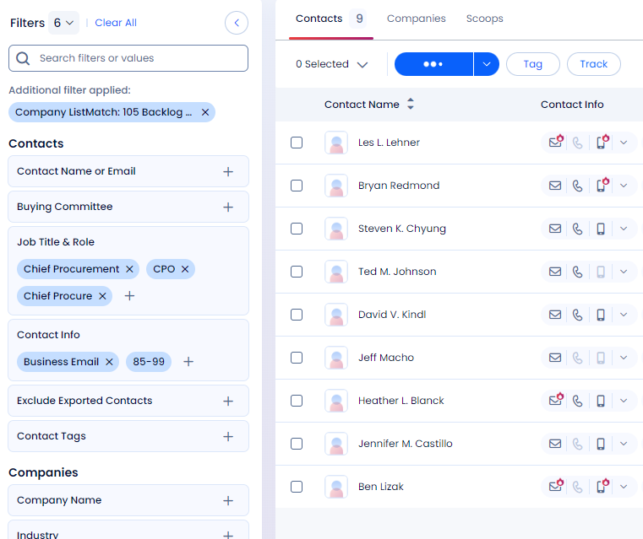

COO
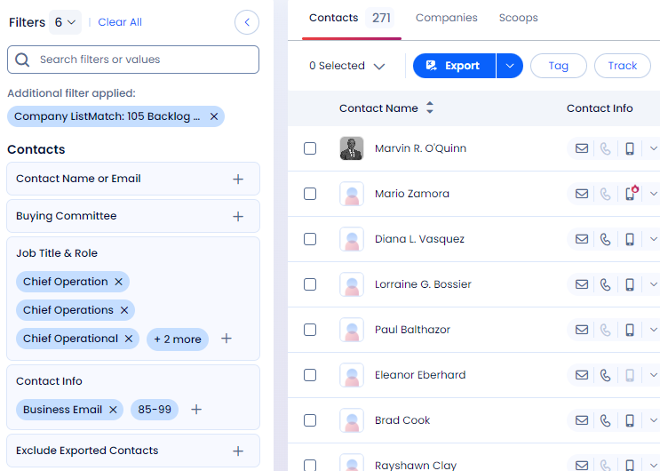

CAO
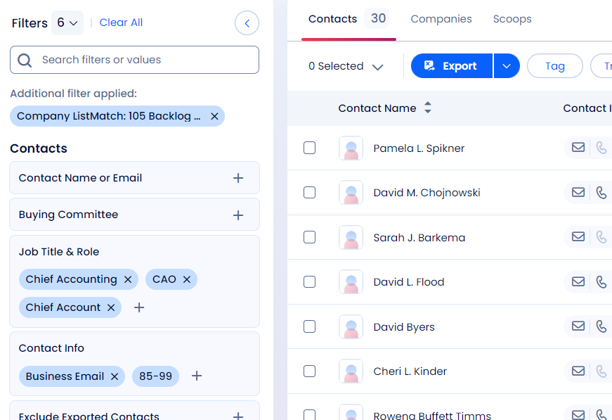

CEO
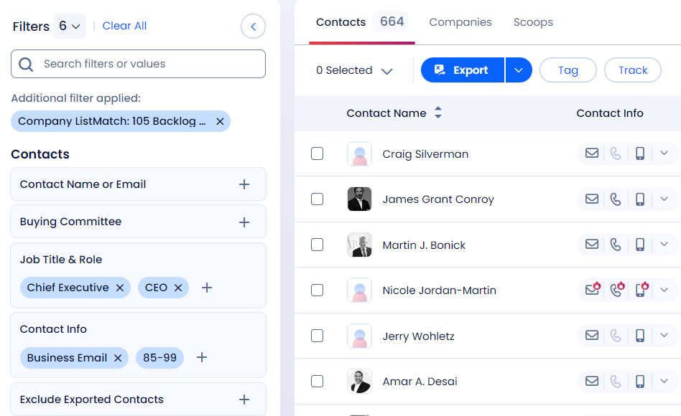

Finance
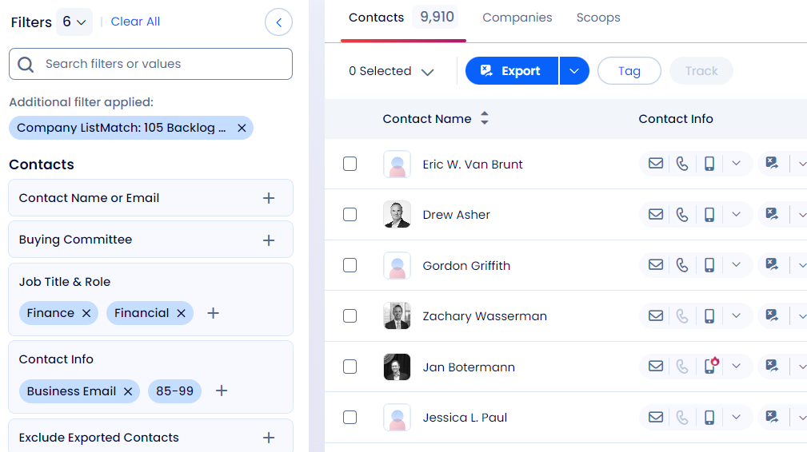

Treasurer
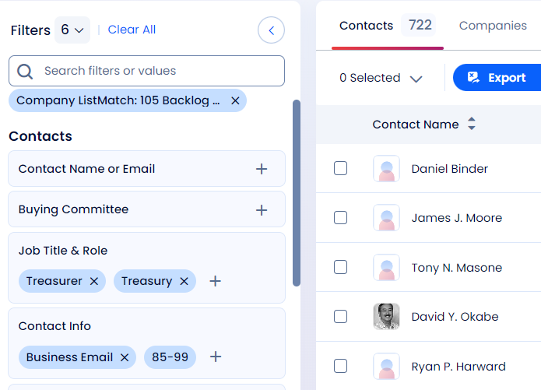

Controller
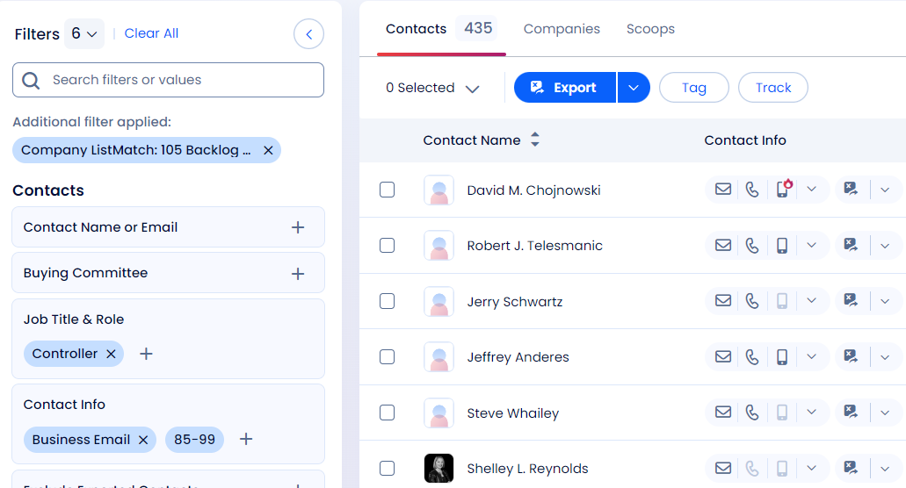

Sourcing
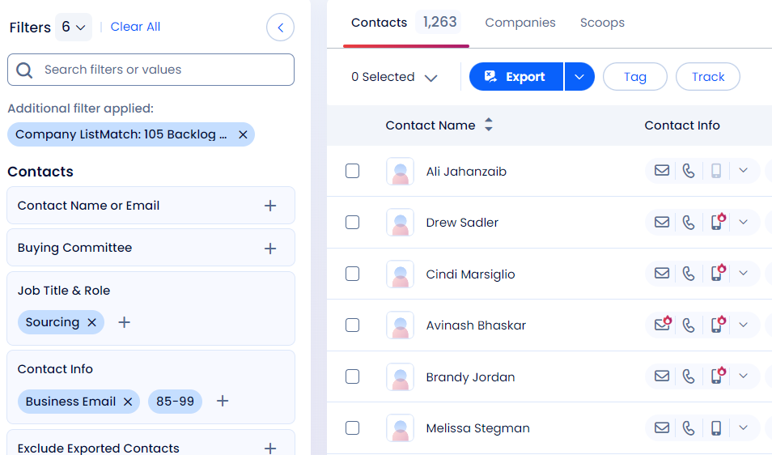

Procurement

